Jaw Crusher Sizing Guide
1
CALCULATION COVER SHEET |  |  |  | Date: | 2015-12-27
 |  |  |  | Author: |  |  | Revision
Project: | Example Jaw Crusher Size Calculations |  |  | Calc No:
Title: | Primary jaw crusher sizing

Determine the size of a primary crusher (in this case jaw) using the Bond work index equation and vendor volumetric throughputs.
Purpose:

Basis / Assumptions:
Primary crushers can be either volumetrically or by power draw. Design to both these constraints.
Bond low-energy impact crusher work index (WiC) testing at a laboratory on a representative sample of ore has the following results:

 | Crushing work index (WiC) |  |  | 7 | kWh/tonne | 6.4 | kWh/st

 | Design criteria
 | Solids bulk density |  |  | 1.70 | t/m³ |  |  | Bulk density is the apparent density
 | F100 | (max opening) |  | 2000 | mm | 2000000 | µm | of a loose pile of unconsolidated
 | F80 | (blasted rock) |  | 800 | mm | 800000 | µm | rocks. It is not “specific gravity”,
 | P80 | (chart in appendix) |  | 250 | mm | 250000 | µm | the actual density of in-situ rock.

 | Desired instantaneous throughput |  |  |  |  | 800 | tonnes/hour
 |  | availability |  |  |  | 75% |  | Primary crushers have low
 |  | operating hours per day |  |  |  | 12 | h/day | availability and often run only
 |  | daily throughput |  |  |  | 7200 | tonnes/day | on dayshift.

Method, power draw:

 | Power draw to obtain this reduction ratio:

 |  |  |  |  |  | (Bond Equation)

 | E = | 0.061737620788 | kWh/tonne (for a metric work index value)

 | Power draw, nominal |  |  | 49.4 | kW |  |  | Design margin needed to
 | Design margin on motor size |  |  | 100% |  |  |  | start the motor under load
 | Raw motor size |  |  | 98.8 | kW |  |  | and to handle spikes of
 |  |  |  |  |  |  |  | hard ore. Consult with the
 |  |  |  |  |  |  |  | crusher vendor.
Method, volumetric flow:

 | The typical throughput values given on crusher brochures relate
 | to a “typical” ore bulk density of |  |  | 1.60 | t/m³. The crushers are
 | actually volume (not weight) flow limited, so convert the desired tonnage
 | to what it would be with the “typical” ore bulk density (for reading the charts).

 | Desired instantaneous throughput |  |  |  |  | 471 | m³/h
 | Equivalent “typical” mass throughput, use for charts |  |  |  |  | 753 | t/h

Method, consult vendor data:
Consult the chart on the next page. Find a crusher that satisfies all of the following conditions:

One criteria typically drives the machine selection. For small throughputs, it will be the maximum feed size. For high throughput will be either t/h or kW and it may be necessary to relax the P80 dimension.
 | Throughput |  |  | 753 | t/h
 | Motor size |  |  | 98.8 | kW | 132.5 | HP
 | Closed side setting |  |  | 250 | mm | 9.8 | inches
 | Feed opening, at least |  |  | 2000 | mm

Results:
 | The selected crusher is:
 |  | C116 jaw crusher

 | Operating conditions:
 |  | Closed side setting: |  | 150 | mm

 | The maximum nominal t/h: |  |  | 320 | t/h |  | Mismatch with t/h in des crit | Use the lesser value from the chart.
Go to the particle size distribution (PSD) at the bottom of the appendix. Find the P100 that matches the P80.
 | P100 | (to match P80) |  | 200 | mm | 7.874015748 | inches

Jaw Crushing Charts
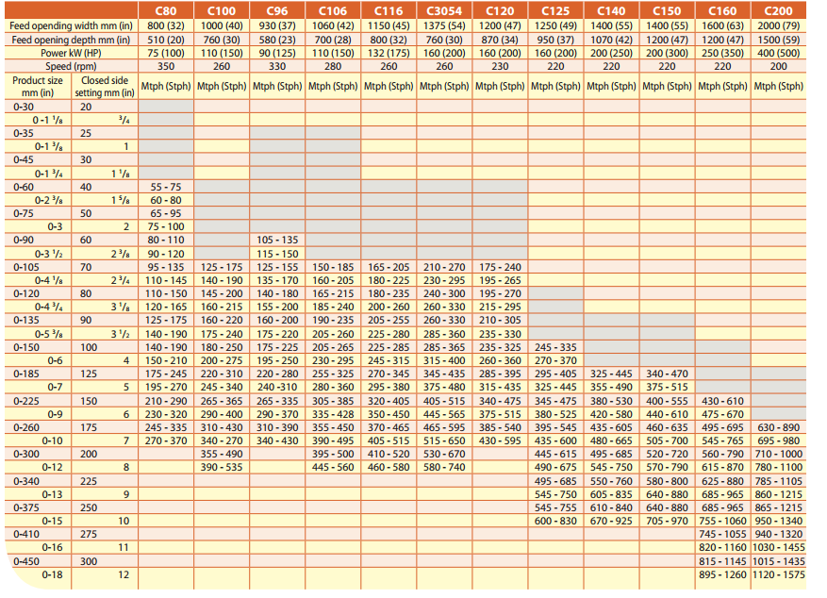

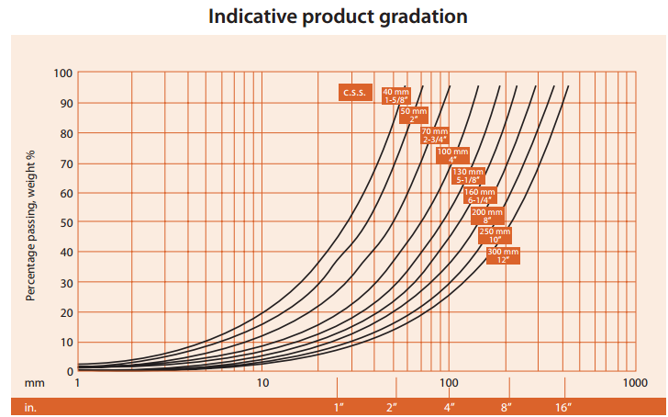

Notes to user:
Insert the catalogue information
for the crusher you are proposing
to use.

Move the red arrows & circles
to indicate the throughput and
settings you are proposing.
Product 80% passing size from CSS

